IRR Formula
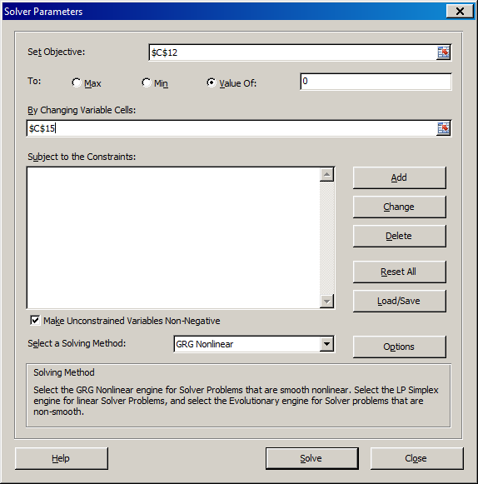
http://breakingdownfinance.com

Year | Cashflow
0 | -2000
1 | 200
2 | 200
3 | 2200

NPV | -1.4612421637E-06

Internal rate of return | 10.0%
XIRR function | 10.0%

