Step 1 APT determine factors
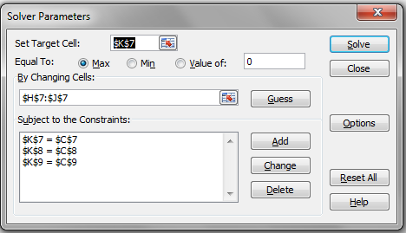
http://breakingdownfinance.com

Portfolio | Expected return | Beta 1 | Beta 2 | Constant | Factor 1 | Factor 2 | Expected return
A | 6.00 | 1 | 1.3 | 3.824 | 1.667 | 0.392 | 6.00
B | 8.00 | 2.2 | 1.3 | 3.824 | 1.667 | 0.392 | 8.00
C | 5.00 | 0.8 | -0.4 | 3.824 | 1.667 | 0.392 | 5.00

Portfolio | Expected return | Beta 1 | Beta 2 | Required return D
D | 6 | 2 | 1.7 | 7.824 | > 6 | ==> short portfolio D, real return too low (< required return)==> price to high

Step 2 APT determine weights
http://breakingdownfinance.com

Portfolio | Expected return | Beta 1 | Beta 2 | Constant | Factor 1 | Factor 2 | Expected return
A | 6.00 | 1 | 1.3 | 3.824 | 1.667 | 0.392 | 6.00
B | 8.00 | 2.2 | 1.3 | 3.824 | 1.667 | 0.392 | 8.00
C | 5.00 | 0.8 | -0.4 | 3.824 | 1.667 | 0.392 | 5.00

Portfolio | Expected return | Beta 1 | Beta 2 | Required return D
D | 6 | 2 | 1.7 | 7.824

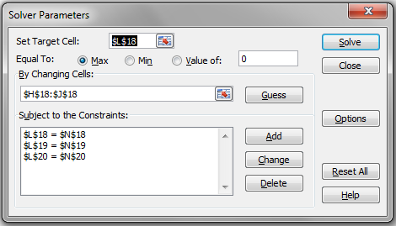
 |  |  |  | Weight 1 | Weight 2 | Weight 3 |  | Sum W |  | Constraint
 |  |  |  | 0.441 | 0.794 | -0.235 |  | 1 | W | 1
 |  |  |  |  |  |  |  | 2 | B1 | 2
 |  |  |  |  |  |  |  | 1.7 | B2 | 1.7

 |  |  |  |  | Wealth
 |  |  |  |  | 1000.000

 |  |  |  | Portfolio | Inititial investment | Cash flow end | Beta 1 | Beta 2
 |  |  |  | A | 441.18 | 467.65 | 0.44 | 0.57
 |  |  |  | B | 794.12 | 857.65 | 1.75 | 1.03
 |  |  |  | C | -235.29 | -247.06 | -0.19 | 0.09
 |  |  |  | A,B,C | 1000.00 | 1078.24 | 2.00 | 1.70
 |  |  |  | 1 * D | -1000.00 | -1060.00 | -2.00 | -1.70
 |  |  |  | Total | 0.00 | 18.24 | 0.00 | 0.00

