Baseline merton model
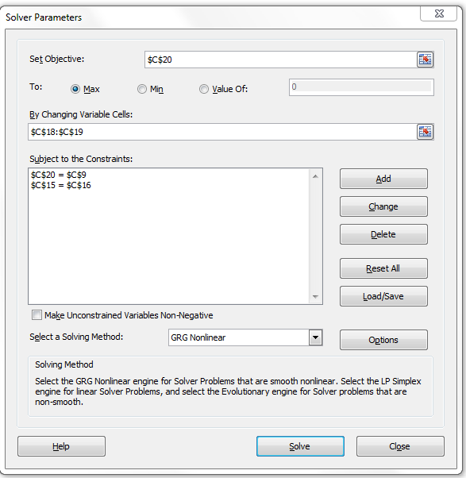
http://breakingdownfinance.com

Merton model

E_0 | 3
K | 14
T | 1
r | 3%
sigma_e | 50%

Constraint | 1.50
Constraint | 1.50

V0 | 16.58
sigma_v | 9.17%
E_0 | 3.0000000468
d1 | 2.217
d2 | 2.125

Market value of debt | 13.58
PV(market value) | 13.59
Expected loss | 0.05%
PD | 1.68%
Recovery rate | 96.80%

